Input&Summary
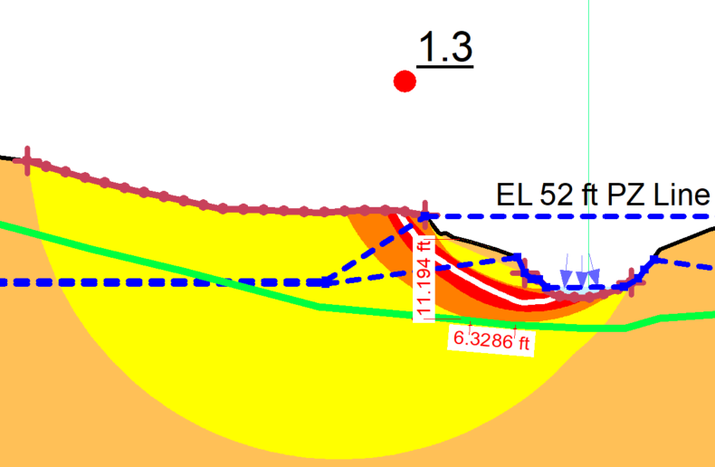
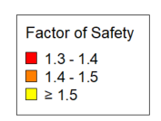
RIGHT BANK
Pipe Properties |  | Soil Properties
Pipe OD (in): | 16.00 | Soil Friction Angle (φ degrees): | 26.0
Pipe wt (in): | 0.375 | Soil Cohesion (c, psf): | 100.0
Pipe SMYS (psi): | X-42 | Soil Effective Unit Weight (γ', psf): | 120.0
Pipe DOC (ft): | 14.00 | PGD Path (perpendicular/parallel to pipe): | Parallel
Length of Pipe in PGD (ft): | 99.0
Pipe Coating | Rough Steel
Internal Pressure (psi): | 1500
API 5L X52, 16" OD, Std Wt (.375")
DOC = Depth of Cover
Summary Output

Remaining Allowable Stress (psi)
Allowable Pipe Length in PGD (ft):
Exceeds Allowable:
PGD=Permanent Ground Deformation
Pipeline Length: FOS <1.5 | Orange Area
7 | ft

Calcs
Axial Forces
 | Pipe outside diameter | OD |  | inches | Coating dependent factor
 | Pipe Coating Dependent Factor (f) |  |  |  | Concrete | 1
 | Depth of cover | DOC |  | ft | Coal Tar | 0.9
 | Depth to pipe centerline | H |  | ft | Rough Steel | 0.8
 | Soil cohesion | c |  | psf | Smooth steel | 0.7
 | Internal friction angle for soil | φ |  | degrees | Fusion Bonded Epoxy | 0.6
 | Effective unit weight of soil | γ |  | lb/ft3 | Polyethylene | 0.6
 | Coefficient of pressure at rest | Ko
 | Adhesion factor | α
 | Interface angle for pipe-soil | δ |  | degrees
 | Tan of interface angle | tanδ

 | Axial soil force | Tu |  | lbs/ft
 |  |  |  | kips/ft

Lateral Forces
 | Pipe outside diameter | OD |  | inches
 | Depth of cover | DOC |  | ft | Lateral Bearing Capacity Factor of Soil
 | Depth to pipe centerline | H |  | ft
 | Effective unit weight of soil | γ |  | lb/ft3 |  | φ (degrees) | a | b | c | d | e
 | Soil cohesion | c |  | psf | Nch | 0 | 6.752 | 0.065 | -11.063 | 7.119
 | Internal friction angle for soil | φ |  | degrees | Nqh | 20 | 2.399 | 0.439 | -0.03 | 1.06E-03 | -1.75E-05
 | Horizontal bearing capacity factor for clay | Nch |  |  |  | 25 | 3.332 | 0.839 | -0.09 | 5.61E-03 | -1.32E-04
 | Horizontal bearing capacity factor for sand | Nqh |  |  |  | 30 | 4.565 | 1.234 | -0.089 | 4.28E-03 | -9.16E-05
 | a |  |  |  |  | 35 | 6.816 | 2.019 | -0.146 | 7.65E-03 | -1.68E-04
 | b |  |  |  |  | 40 | 10.959 | 1.783 | 0.045 | -5.43E-03 | -1.15E-04
 | c |  |  |  |  | 45 | 17.658 | 3.309 | 0.048 | -6.44E-03 | -1.30E-04
 | d
 | e
 | H/D

 | Lateral soil force | Pu |  | lbs/ft
 |  |  |  | kips/ft

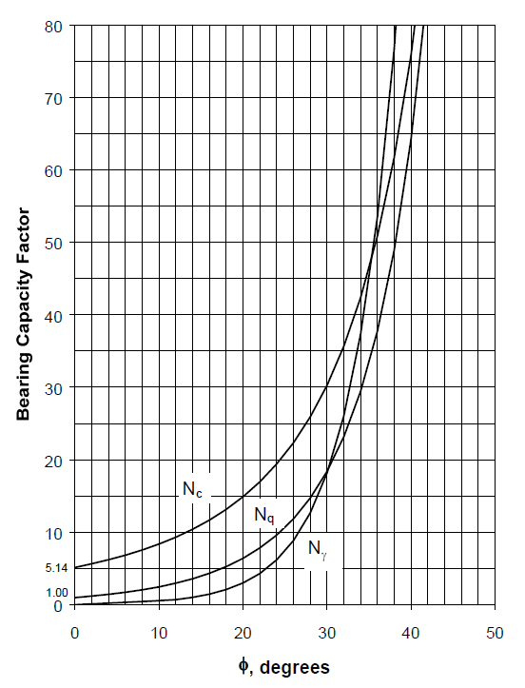
Vertical Forces
 | Pipe outside diameter | OD |  | inches | Bearing Capacity Factor of Soil
 | Depth of cover | DOC |  | ft
 | Depth to pipe centerline | H |  | ft
 | Effective unit weight of soil | γ |  | lb/ft3
 | Total unit weight of soil | γ
 | Soil cohesion | c |  | psf
 | Internal friction angle for soil | φ |  | degrees

 | Vertical bearing capacity factor | Nc
 | Vertical bearing capacity factor | Nq
 | Vertical bearing capacity factor | Nγ

 | Vertical Bearing Soil Force | Qd |  | lbs/ft
 |  |  |  | kips/ft

 | Vertical bearing capacity factor | Ncv
 | Vertical bearing capacity factor | Nqv

 | Vertical Uplift Soil Force | Qu |  | lbs/ft
 |  |  |  | kips/ft

Longitudinal PGD Stress
 | Pipe outside diameter | OD |  | inches | Pipeline crossing permanent ground deformation zone in the direction of ground movement. |  |  |  |  |  | Pipe Grade | Yield stress (psi) | n | r
 | Wall thickness of pipe | t |  | inches |  |  |  |  |  |  | Grade B | 35000 | 10 | 100
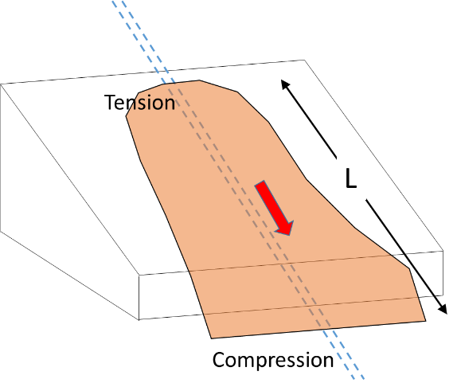
 | Pipe Grade / SMYS |  |  | psi |  |  |  |  |  |  | X-42 | 42000 | 15 | 32
 | Modulus of elasticity | E | 29,000,000 | psi |  |  |  |  |  |  | X-52 | 52000 | 9 | 10
 | Length of PGD zone/Length of pipe in slide | L |  | ft |  |  |  |  |  |  | X-60 | 60000 | 10 | 12
 | Axial soil force | Tu |  | lbs/ft |  |  |  |  |  |  | X-70 | 70000 | 5.5 | 16.6

 | Elastic strain | εel
 | Plastic strain | εpl
 | Total strain | ε tot

 | Bending Stress on pipe | σaxial |  | psi

 | Design Factor |  | 0.54
 | Pipe Internal Diameter | ID |  | in.
 | Maximum Operating Pressure | MOP |  | psi
 | Allowable Stress |  |  | psi
 | Internal pressure stress |  |  | psi
 | Remaining Stress Available |  |  | psi

 | Allowable length of Longitudinal PGD |  |  | ft

Transverse PGD Stress
 | Pipe outside diameter | OD |  | inches | Pipeline crossing permanent ground deformation zone transverse to the direction of ground movement.
 | Wall thickness of pipe | t |  | inches
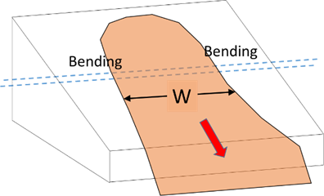
 | Pipe Grade |  |  | psi
 | Modulus of elasticity | E | 29,000,000 | psi
 | Width of PGD zone/Length of pipe in slide | L |  | ft
 | Lateral soil force | Pu |  | lbs/ft

 | Elastic strain | εel

 | Bending stress on pipe | σaxial |  | psi

 | Design Factor |  | 0.54
 | Pipe Internal Diameter | ID |  | in.
 | Maximum Operating Pressure | MOP | 711 | psi
 | Allowable Stress |  |  | psi
 | Internal pressure stress |  |  | psi
 | Remaining Stress Available |  |  | psi

 | Allowable length of Longitudinal PGD |  |  | ft

